Data
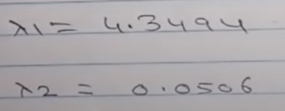
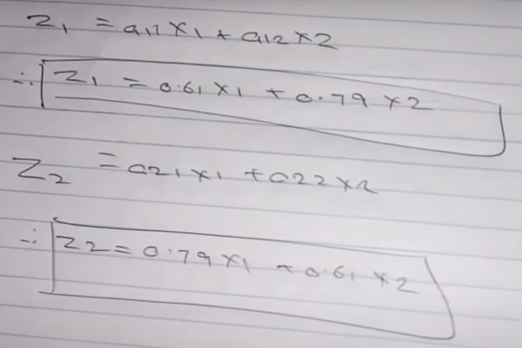
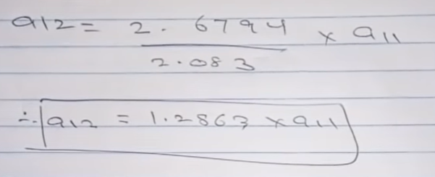
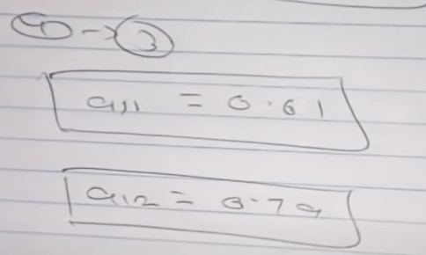
 | X1 | X2 |  | X1-X1bar | X2-X2bar | ( X1-X1bar ) Squared | ( X2-X2bar) Squared | ( X1-X1bar ) * ( X2-X2bar )
 | 2 | 4 |  | 1.5 | 1.875 | 2.25 | 3.515625 | 2.8125
 | 1 | 3 |  | 0.5 | 0.875 | 0.25 | 0.765625 | 0.4375
 | 0 | 1 |  | -0.5 | -1.125 | 0.25 | 1.265625 | 0.5625
 | -1 | 0.5 |  | -1.5 | -1.625 | 2.25 | 2.640625 | 2.4375
Sum | 2 | 8.5 |  | 0 | 0 | 5 | 8.1875 | 6.25
Mean | 0.50 | 2.125 |  | 0 | 0 | 1.25 | 2.046875 | 1.5625

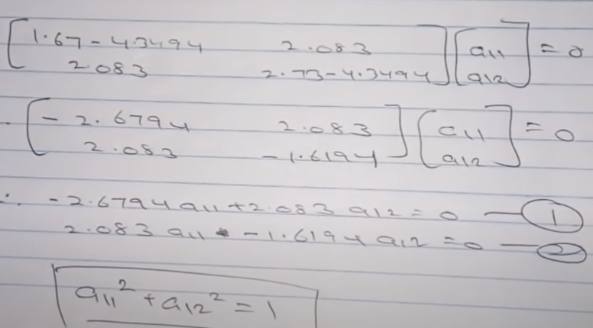
 |  |  |  |  |  | 1.6666666667 | 2.7291666667 | 2.0833333333
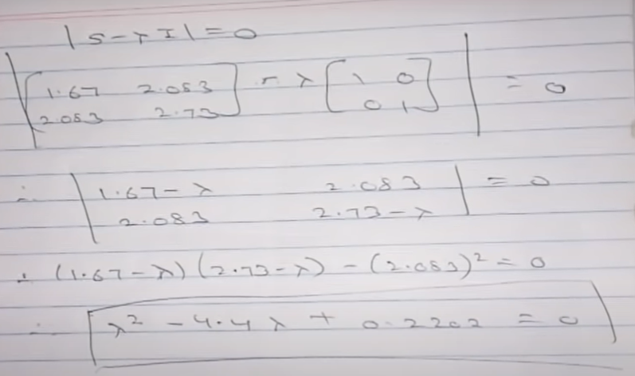
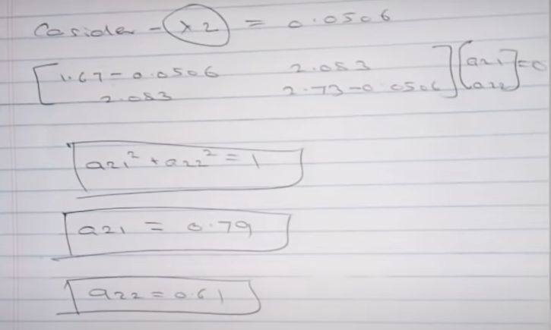
 |  |  | Covariance

 |  |  | S= | X1 | X2
 |  |  | X1 | 1.67 | 2.08
 |  |  | X2 | 2.08 | 2.73

